BAU Efficiency Improvements
indst/BIEEI
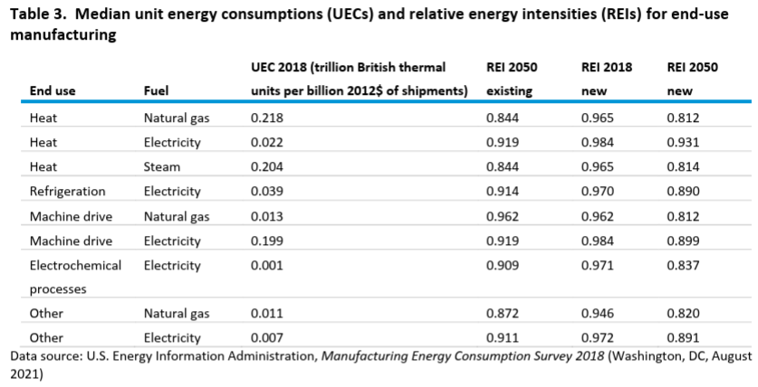

 |  |  | UEC 2018 (trillion British thermal | REI 2050 | 2018 | 2050 |  |  | improvement
 | End use | Fuel | units per billion 2012$ of shipments) | existing | new REI | new REI | 2021 | 2050 | over model run | annual improvement
 | Heat | Natural gas | 0.218 | 0.844 | 0.965 | 0.812 | 0.951 | 0.812 | 14.59% | 0.54%
 | Heat | Electricity | 0.022 | 0.919 | 0.984 | 0.931 | 0.979 | 0.931 | 4.91% | 0.17%
 | Heat | Steam | 0.204 | 0.844 | 0.965 | 0.814 | 0.951 | 0.814 | 14.39% | 0.53%
 | Refrigeration | Electricity | 0.039 | 0.914 | 0.97 | 0.89 | 0.962 | 0.89 | 7.53% | 0.27%
 | Machine drive | Natural gas | 0.013 | 0.962 | 0.962 | 0.812 | 0.948 | 0.812 | 14.34% | 0.53%
 | Machine drive | Electricity | 0.199 | 0.919 | 0.984 | 0.899 | 0.976 | 0.899 | 7.89% | 0.28%
 | Electrochemical | Electricity | 0.001 | 0.909 | 0.971 | 0.837 | 0.958 | 0.837 | 12.67% | 0.47%
 | processes Other | Natural gas | 0.011 | 0.872 | 0.946 | 0.82 | 0.934 | 0.82 | 12.22% | 0.45%
 | Other | Electricity | 0.007 | 0.911 | 0.972 | 0.891 | 0.964 | 0.891 | 7.61% | 0.27%

Machine Drive
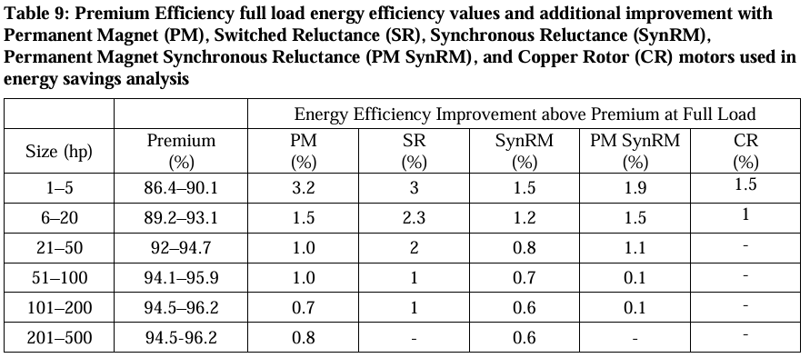
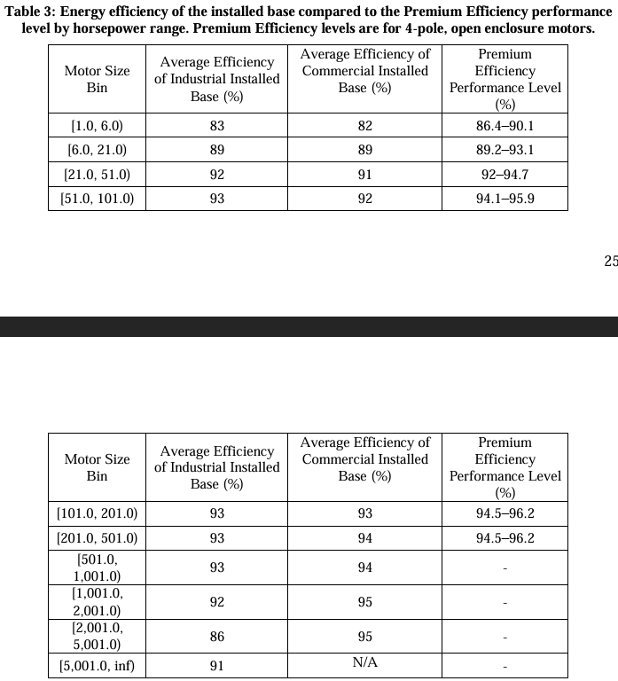
Table 3: Energy efficiency of the installed base compared to the Premium Efficiency performance
level by horsepower range. Premium Efficiency levels
 | Motor Size Bin | Average Efficiency of Industrial Installed Base (%) | Average Efficiency of Commercial Installed Base (%) | Premium Efficiency Performance Level (%) |  | advanced motor % improvement at full load (permanent magnet)
 |  |  |  | (%)
 | [1.0, 6.0) | 83 | 82 | 86.4—90.1 | 90.1 | 3.2 | 93.3
 | [6.0, 21.0) | 89 | 89 | 89.2_93.1 | 93.1 | 1.5 | 94.6
 | [21.0. 51.0) | 92 | 91 | 92_94.7 | 94.7 | 1 | 95.7
 | [51.0, 101.0) | 93 | 92 | 94.1-95.9 | 95.9 | 1 | 96.9
 | [101.0, 201.0) | 93 | 93 | 94.5_96.2 | 96.2 | 0.7 | 96.9
 | [201.0. 501.0) | 93 | 94 | 94.5-96.2 | 96.2 | 0.8 | 97
 | [501.0, 1,001.0) | 93 | 94 |  | 96.2 |  | 96.2
 | [1,001.0, 2,001.0) | 92 | 95 |  | 96.2 |  | 96.2
 | [2,001.0, 5,001.0) | 86 | 95 |  | 96.2 |  | 96.2
 | [5,001.0, ino | 91 | N/A |  | 96.2 |  | 96.2

 |  | Annual Electricity Consumption (TWh/yr)
 | [1.0, 6.0) | 26 |  | Implementation of variable frequency drives on variably underloaded motor systems
 | [6.0, 21.0) | 68 |  | 8%
 | [21.0. 51.0) | 87 |  | reduction in motor drive efficiency due to low load inefficiency
 | [51.0, 101.0) | 72
 | [101.0, 201.0) | 64
 | [201.0. 501.0) | 94
 | [501.0, 1,001.0) | 63
 | [1,001.0, 2,001.0) | 35
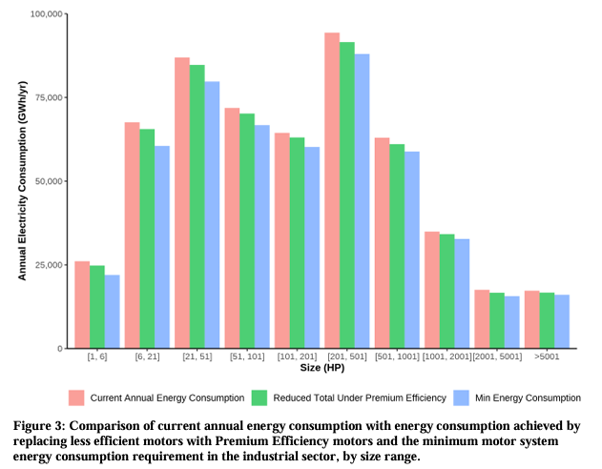
 | [2,001.0, 5,001.0) | 18
 | [5,001.0, ino | 17

 |  | Industry-wide Efficiency | Potential
 |  | 84% | 96%
 |  | 1.1974603907 | 1.0406198307

 |  | Diesel generator / NG combustion turbine max efficiency
 |  | 40% | start year assumption
 |  | 2.1414913958 | energy intensity (MIN)

Heat pumps
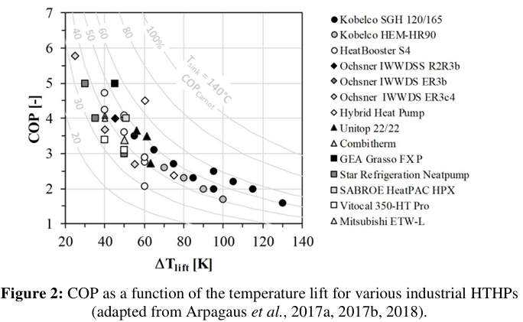

COP: | 3 | Based on Arpagaus et al. curve, assuming a temperature lift of around 55 C (e.g., industries using waste heat as the heat source, boosting 45 C to 100 C or similar)
Energy intensity | 0.33333333333
COP: | 5
Energy intensity | 0.2 | Assumption

Boilers
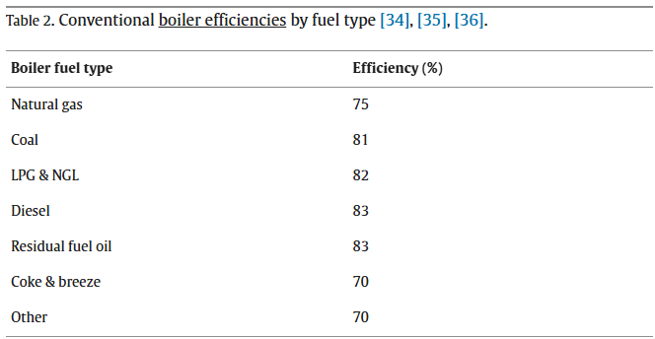

Boiler fuel type | Efficiency (%)
Natural gas | 0.75 | 133%
Coal | 0.81 | 123%
LPG & NGL | 0.82 | 122%
Diesel | 0.83 | 120%
Residual fuel oil | 0.83 | 120%
Coke & breeze | 0.7 | 143%
Other | 0.7 | 143%

Theoretical max efficiency assumption (e.g., a natural gas condensing boiler): | 0.95 | 105%

Med Temp
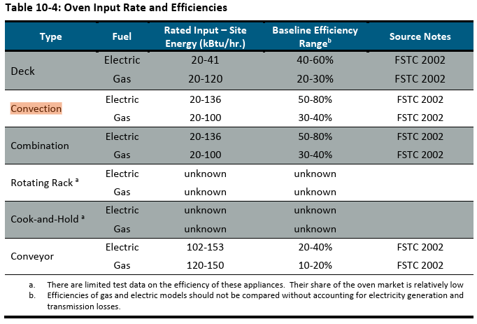
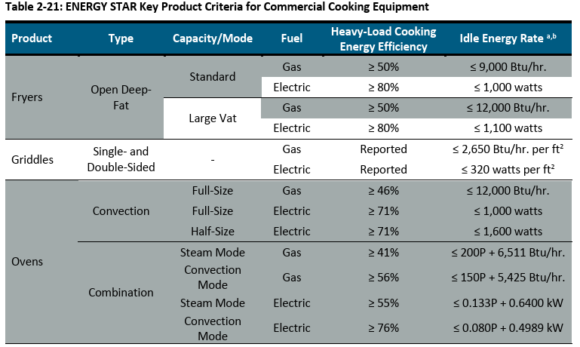
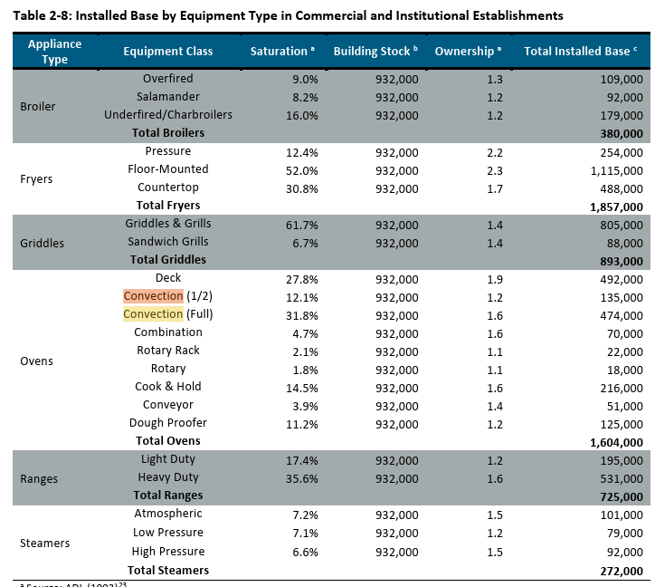
elec
Oven Types | Saturation | Efficiency | ENERGY STAR |  | Fleet efficiency | Fleet Energy Intensity
Deck | 27.80% | 50% |  | elec | 71% | 1.3989234622
Convection | 44% | 65% | 71% | gas | 47% | 2.1291509682
Combination | 4.70% | 65% | 76%
Conveyor | 3.90% | 30%

gas
Oven Types | Saturation | Efficiency | ENERGY STAR
Deck | 27.80% | 25%
Convection | 44% | 35% | 46%
Combination | 4.70% | 35% | 56%
Conveyor | 3.90% | 15%

Cooling
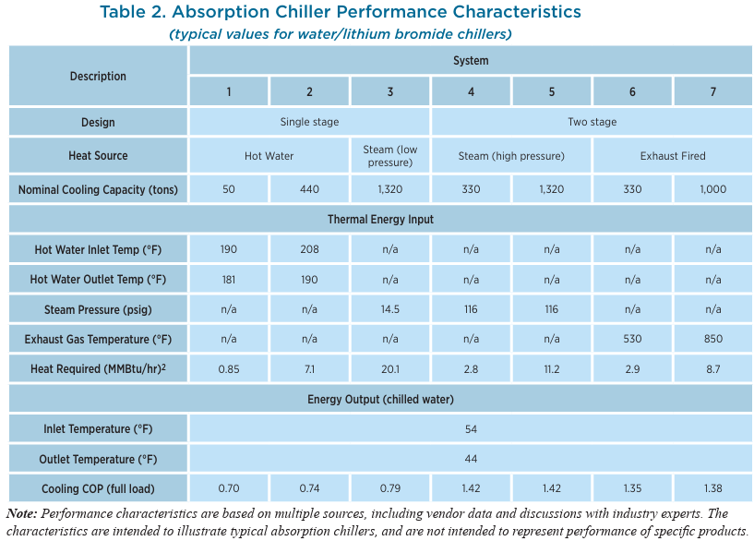
Chiller
 |  | Avg COP | Avg Energy Intensity
 | 0.7 | 1.38 | 0.72463768116
 | 0.74
 | 0.79
 | 1.42
 | 1.42
 | 1.35
 | 1.38

https://www.energy.gov/sites/prod/files/2017/06/f35/CHP-Absorption%20Chiller-compliant.pdf
Example w/ efficiency of 0.48-0.55 kW/ton

 | COP = 3.516/(kW/ton)
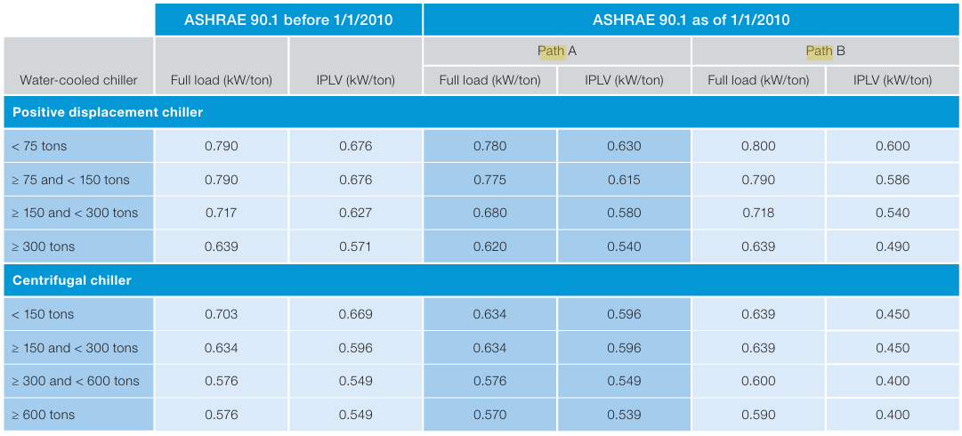
 |  | positive | kW/t | COP | Max COP | Min Intensity
 |  | <75 t | 0.79 | 4.4506329114 | 7.3860416667 | 0.13539051702
 |  | 75-150 | 0.79 | 4.4506329114
 |  | 150-300 | 0.717 | 4.9037656904
 |  | >300 | 0.639 | 5.5023474178
 |  | centrifugal
 |  | <150 | 0.703 | 5.0014224751
 |  | 150-300 | 0.634 | 5.5457413249
 |  | 300-600 | 0.576 | 6.1041666667
 |  | >600t | 0.576 | 6.1041666667

"For example, ASHRAE computer simulations run during the development of Addendum m
showed a 21 percent efficiency improvement in a large Miami office building cooled by a single
600-ton water-cooled centrifugal chiller with a VFD, compared to a constant-speed chiller."
0.21

Other
Ag tractors (mobile equipment)
Present day efficiencies
Diesel
Tractor | η | energy intensity | nom P [kW] | nom w [rpm] | reference |  | ref 19 // open circles are added via post processing and represent the weighted
unkn. | 0.30 | 3.300 | 58.8 | 2500 | 19 |  | average load & engine speeds from ref 20 scaled by nominal engine speeds
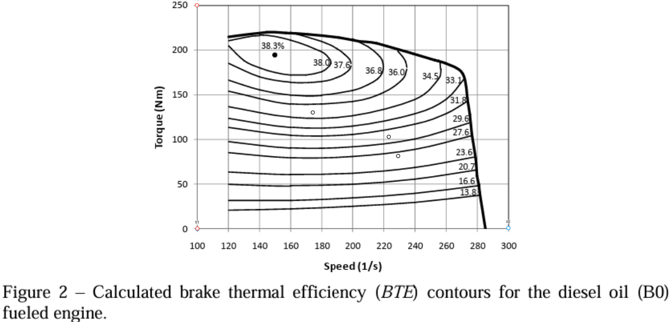
4WD / MFWD | 0.31 | 3.257 | 245/127 | 2100 | 20

Electric
Tractor | η | energy intensity
PM Electric Motor | 0.87533333333 | 1.1424219345 | 150 (overload) | 2600 | 21
charging adjusted | 0.76591666667 | 1.305625068 |  |  | 22,25
Custom autonomous | 0.64890826648 | 1.5410498705 | 50 |  | 23
Simulated autonomous | 0.72615925059 | 1.3771083949 |  |  | 24

Reduction in fuel use
Average | 57%

Historical Change in Tractor Energy Intensity
Diesel
Tractor | linear coef. | # generations | yr/generation | change/yr |  |  | ref 21 // open circles are added via post processing and represent the weighted
- | -0.041 | 7 | 4.5714285714 | -0.90% |  |  | average load & engine speeds from ref 20 scaled by nominal engine speeds
Electric
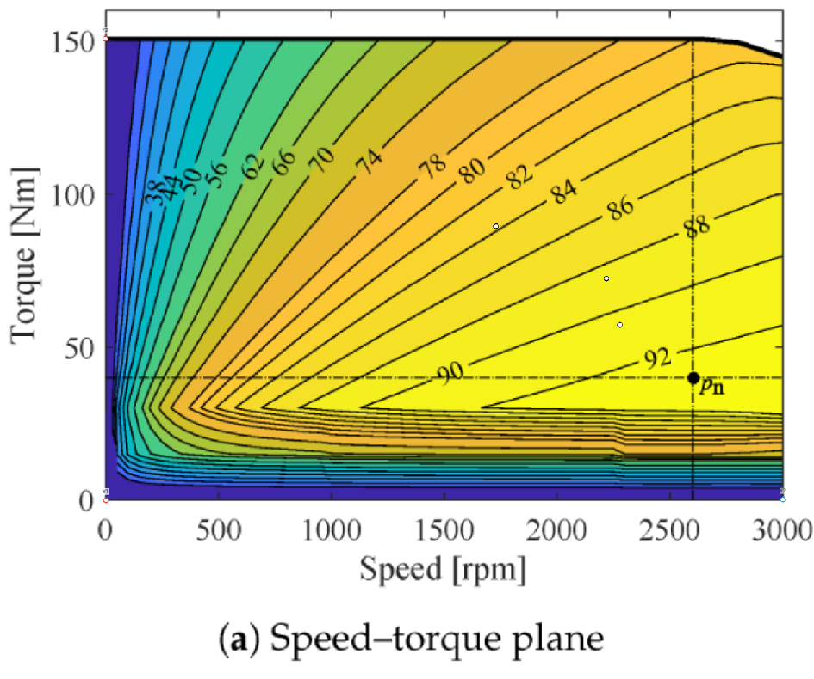
 |  |  |  | -0.48%
Assume minimum E factor is if historical efficiency gains continue through the model run
For electricity, scale this efficiency improvement by the ratio of electricity to combustion improvements
in the AEO baseline.

Ref 20 |  |  | (from figure)
Tables 2-5 | weighted values |  | max t at speed | load (fig 16) | speed on fig 2 | speed on fig 14 | torque on fig 2 | torque on fig 14 | % of total field time |  |  | weighted average torque % |  |  | weighted average engine speed |  |  | weighted-average torque | weighted-average engine speed
Field operation | t (%) | w (s^-1) |  |  |  |  |  |  | TS-I | TS-II | TS-III | TS-I | TS-II | TS-III | TS-I | TS-II | TS-III
NH3 application | 42 | 1841 | 213 | 0.38 | 229 | 2279 | 81 | 57 | 8 | 22 | 70 | 8 | 23 | 52 | 884 | 1711 | 2009 | 42.1 | 1853.44
 |  |  |  |  |  |  |  |  | 8 | 21 | 71 | 9 | 24 | 50 | 955 | 1718 | 1959 | 41.26 | 1828.07
Field cultivation | 56 | 1792 | 215 | 0.48 | 223 | 2219 | 103 | 72 | 4 | 25 | 71 | 13 | 33 | 66 | 1455 | 1568 | 1767 | 55.63 | 1704.77
 |  |  |  |  |  |  |  |  | 3 | 27 | 70 | 13 | 35 | 68 | 1543 | 1696 | 1964 | 57.44 | 1879.01
 |  |  |  |  |  |  |  |  | 3 | 24 | 73 | 13 | 33 | 63 | 905 | 1541 | 1827 | 54.3 | 1730.7
Corn planting | 73 | 1396 | 220 | 0.59 | 174 | 1728 | 130 | 89 | 41 | 59 |  | 37 | 76 |  | 904 | 1514 |  | 60.01 | 1263.9
 |  |  |  |  |  |  |  |  | 4 | 96 |  | 36 | 81 |  | 1433 | 1532 |  | 79.2 | 1528.04
 |  |  |  |  |  |  |  |  | 2 | 98 |  | 35 | 82 |  | 1492 | 1545 |  | 81.06 | 1543.94

